Dashboard
IR Remote Test Report -Bugs Reported
IR Remote Test Report -Bugs Closed
AC , TV , STB, Learning+STB Channel
Category +Features | Bugs Reported
AC +Common Journey | 86
TV | 9
STB | 5
Learning+STB Channel | 43

Responsibility | Bugs Closed
Development Team | 126
UI/UX Team | 5
Firmware team | 4
Cloud Team | 8

IR Learning Bugs+Channel
Sr No | Issue Description | Priority | Status | Result | AppCenter Version | Dev Comments | Responsibility
1 | Add Custom Key shows "My IR TV Remote" for AC and STB . It must specific as per category | Medium | Closed | Pass | 783 | FIXED | Development Team
2 | Remote image for AC and STB must be as per real image .. Currently for AC custom key , User able to see TV Remote . This might not be correct user experience | High | Closed | Pass | 797 | NA/ need discussion | UI/UX Team
3 | For Low resolution phone Add custom keys , number of seconds representation are hide | High | Closed | Pass | 783 | FIXED | Development Team | 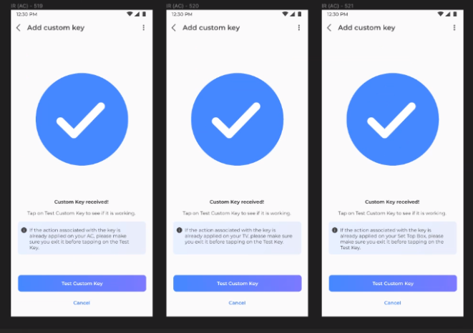
4 | Error message not showing for low resolution if in case user not press remote button | High | Closed | Pass | 783 | FIXED | Development Team
5 | For low resolution phone cancel button on Add custom key merge with text "Waiting for the IR device to confirm " | High | Closed | Pass | 783 | FIXED | Development Team
6 | For low resolution phone Test custom key button not showing on UI | High | Closed | Pass | 783 | FIXED | Development Team
7 | Please make 60 seconds text in Bold | Medium | Closed | Pass | 783 | FIXED | Development Team
8 | Make Red and Green LEDs text in Bold Replace tap to Continue with tap to Next as we are showing Next button UI | Medium | Closed | Pass | 783 | FIXED | Development Team
9 | Increase the horizontal space between text "Waiting for the IR device to confirm " and Cancel button | Medium | Closed | Pass | 783 | FIXED | Development Team
10 | After add custom key on custom key received . As per UI tick mark with circular UI should show but currently we are getting Oval Shape | HIgh | Closed | Pass | 783 | FIXED | Development Team
11 | Dialog for save custom key must need shift little above to match final UI design | Medium | Closed | Pass | 783 | FIXED | Development Team
12 | Click on Save Key , Saved custom key not able to see in UI . User need to kill and launch application Now added Custom key showing disabled state and User need to back dashbaord then it show in enabled state | High | Closed | Pass | 787 | FIXED | Development Team
13 | After save custom key , Keypad must need dismiss | High | Closed | Pass | 783 | FIXED | Development Team
14 | App crashed [Add AC Remote > Add one custom key > Remove AC Remote > Add again AC Remote a. First issue Its not removing added custom key for last AC Remote until user not kill app and launch If click on plus button to add another custom key then b. app crashed one time logs above shows | High | Closed | Pass | 783 | FIXED | Development Team
15 | App crashed Random [Logs Attached] | High | Closed | Pass | 787 | Non reproducible | Development Team
16 | Long press on already created custom key . User able to replace key | Low | Closed | Pass | 783 | NA | Development Team
17 | In UI using number of TV in case of STB. Update it to STB_NUMBERS in STB UI as per updated core lib | High | Closed | Pass | 783 | FIXED | Development Team
18 | Volume button working reverse [ For Volume + it works minus volume] | High | Closed | Pass | 787 | FIXED | Development Team
19 | Disable UI for not supported capabilities - like Home not available in capability, Red/Blue/Green/Yellow Buttons not available in capability | High | Closed | Pass | 787 | FIXED | Development Team
20 | Mute button show number on TV instead of mute STB .. I checked capability we are firing correct IR code as per capability | High | Closed | Pass | 783 | NA | Development Team
21 | Onboard device not able to see in Home Dashboard | High | Closed | Pass | 782 | FIXED | Development Team
22 | On Dashboard Widget [old Build 778] .. I am able to see Light icons for all categories like AC ,TV and STB . | High | Closed | Pass | 782 | FIXED | Development Team
23 | IR remote Details Screen>Click on plus button > Choose TV> Explore Remote> Fire any IR command> After fire successfully on Explorer Page user able to see IR Learning Buttons .. It must not visible on Explorer Journey | High | Closed | Pass | 787 |  | Development Team
24 | App crashed 2 times for Saving AC and TV Remote .Log will share on email | HIgh | Closed | Pass | 787 |  | Development Team
25 | After add any Remote . a. It is showing in disable state .. User need to go back Dashboard then it update b. it would not update in remote list untill user not go back Dashboard and come back IR remote details screen | High | Closed | Pass | 787 |  | Development Team
26 | For STB , We are getting below capabilities but still app shows ON button in Disable state . Tested with Airtel DTH and TATA sky both behave similar Model : ODMIRB_IRB-BLAZE01_STB_67279_140056_0ef555236b53:04 "keyId": "301", "value": "POWER", "irdata": "0000039425;G018EH015BI00A5J0128K0287L01CDM008BN0334$GHIJIKILIKMHIHMHIJIHIKILMNIJIHINIH" }, { "keyId": "302", "value": "POWER OFF", "irdata": "0000039425;G018EH015BI00A5J0128K0287L01CDM008BN0334$GHIJIKILIKMHIHMHIJIHIKILMNIJIHINIH" | High | Closed | Pass | 787 |  | Development Team
27 | After add any Custom Key . It is showing in disable state .. User need to go back Dashboard then it update | High | Closed | Pass | 787 |  | Development Team
28 | IR Remote showing Online >User on Details Page > Lock the Phone> Unlock the Phone> User on Details Page> IR Remote showing Offline and it never update to Online untill user back to dashboard and come back details page | High | Closed | Pass | 787 |  | Development Team
29 | Sequence of devices showing on IR Remote Widget It must be AC , TV and STB . In current implementation it showing like AC , STB and TV | High | Closed | Pass | 783 |  | Development Team
30 | OK/ENTER Key handled for TV and STB | High | Closed | Pass | 783 |  | Development Team
31 | STB Channel number key not working | High | Closed | Pass | 787 |  | Development Team
32 | Onboarding last page shows Spike Guard image | High | Closed | Pass | 787 |  | Development Team
33 | IR remote added with Switches & Plugs in any one of Room then it shows in both category like Appliances and Switch & Plugs | High | Closed | Pass | 789 |  | Development Team
34 | if the custom key action is currently active on your device message should generic message to user AC - TV /STB TV - AC/STB STB - AC/TV | High | Closed | Pass | 788 |  | UX Team
35 | No message after adding STB .. Message should "STB device added successfully" | Low | Closed | Pass | 789 |  | Development Team
36 | For ON and OFF Power Keys .. Can we make ON and OFF in Complete Capital Text to align with UI and UX | Low | Closed | Pass | 789 |  | Development Team
37 | For tata Sky "capability": "IRB_PlaybackController", Only "value": "REW", "value": "FF", and "value": "STOP", capabilities are available but Bottom sheet shows all capabilities and UI shows in enable state for non-available capabilities | Medium | Closed | Pass | 789 |  | Development Team
38 | Custom is adding without pressing any key's from particular remote. | High | Closed | Pass | 790 |  | Development Team
39 | For STB and TV remote, ON key is working for both ON and OFF operation. Similarly for OFF key. | High | Open | Fail | 790 |  | Firmware Team
40 | if channel response false from API then can we show UI in disable state instead of showing "Something went wrong" message to end user | Medium | Closed | Pass | 800 |  | Cloud Team
41 | Select STB Remote>Click on Channel [Ch] >Bottom Sheet will open>Keep cursor on search box > Keypad will open > Bottom sheet must go up and User must able to see proper page for Channels [Currently User need to pull Bottom sheet up to see page correctly] | High | Closed | Pass | 800 |  | Development Team
42 | Crashed Observed one time during add AC Remote on click to Save Remote | High | Closed | Pass | 797 |  | Development Team
43 | Crashed observed after saving Set Top Box and Click on CH Button | High | Closed | Pass | 797 |  | Development Team

